02 Login Dashboard
Test Case ID | Objective | Preconditions | Test Steps | Expected Result | Actual Result | Pass/Fail | Evidence / Notes
LOG-001 | Valid login | Activated user exists. | Enter valid credentials and submit. | User authenticates once and lands on Dashboard without a loop. |  | Pass
LOG-002 | Invalid login | Login page open. | Enter incorrect password. | Clear error appears and user remains on login page. |  | Pass
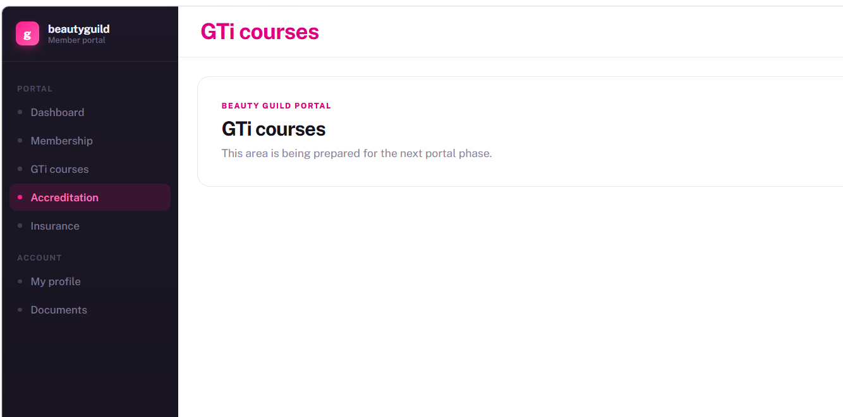
LOG-003 | Portal navigation | User is logged in. | Open Dashboard, Membership, GTi Courses, Accreditation and Insurance. | Items are clickable and active navigation is clear. | I can click on Membership, GTi Courses, Accreditation and Insurance and land on correct pages - but on navigation panel it still shows that i am on the accreditation page | Partial

10 Qualifications
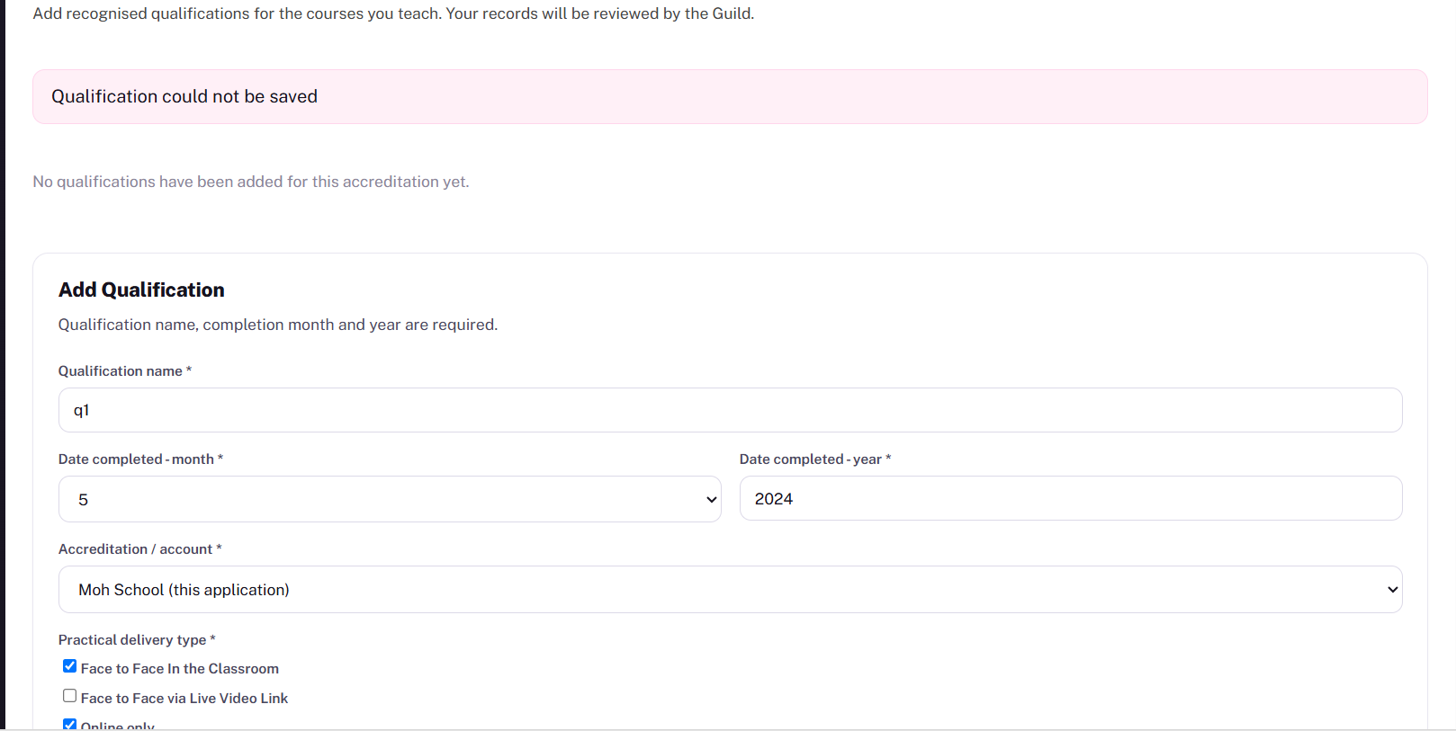
0 | Objective | Preconditions | Test Steps | Expected Result | Actual Result | Pass/Fail | Evidence / Notes
QUA-001 | Add first qualification | Submitted accreditation exists. | Add name, month/year, centre, delivery and assessment; save. | Qualification links to contact/accreditation. |  | Pass
QUA-002 | Validate completion date | Form open. | Save without month/year or invalid year. | Save is blocked until valid date is supplied. |  | Pass
QUA-003 | Add multiple qualifications | First qualification saved. | Add a second qualification. | Both remain listed. | Qualification could not be saved despite entering all details error message - even though qualification was saved and linked | Fail
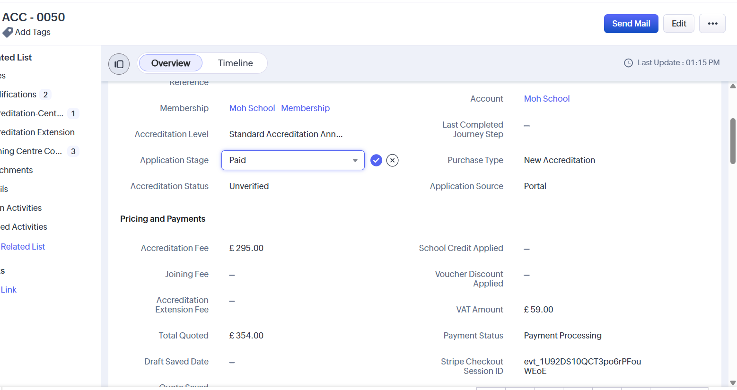
QUA-004 | Set Needs Processing | Application has no qualifications. | Save first qualification; inspect status. | Application moves to Needs Processing. | Payment status still says 'Payment Status ' and accreditation status still says 'Pail' it didn't move to 'Qualifications Outstanding' nor updated to 'Needs Processing' when qualifications added. | Fail

